Script
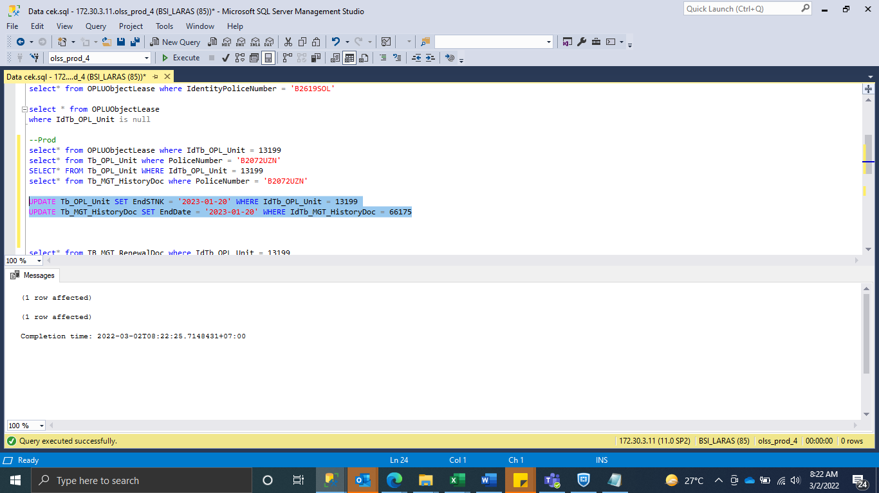
update Tb_MGT_HistoryDoc set PoliceNumber = 'B2072UZN', RemarksSys = ISNULL(RemarksSys,'') + ' #S0263604 ' where IdTb_MGT_HistoryDoc in (66175, 66176)

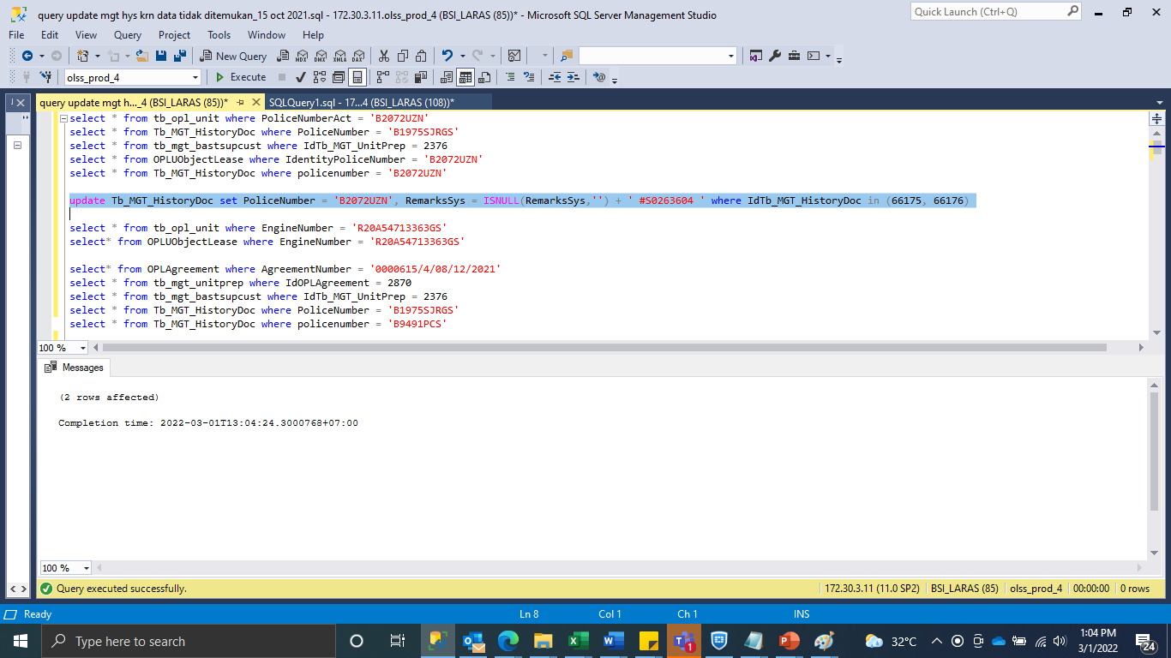

UPDATE Tb_OPL_Unit SET EndSTNK = '2023-01-20' WHERE IdTb_OPL_Unit = 13199
UPDATE Tb_MGT_HistoryDoc SET EndDate = '2023-01-20' WHERE IdTb_MGT_HistoryDoc = 66175

SS
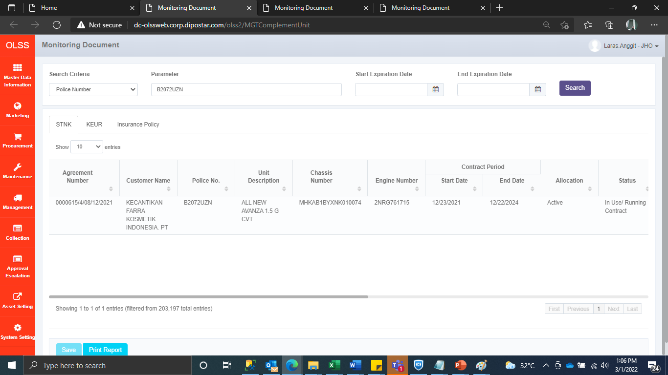
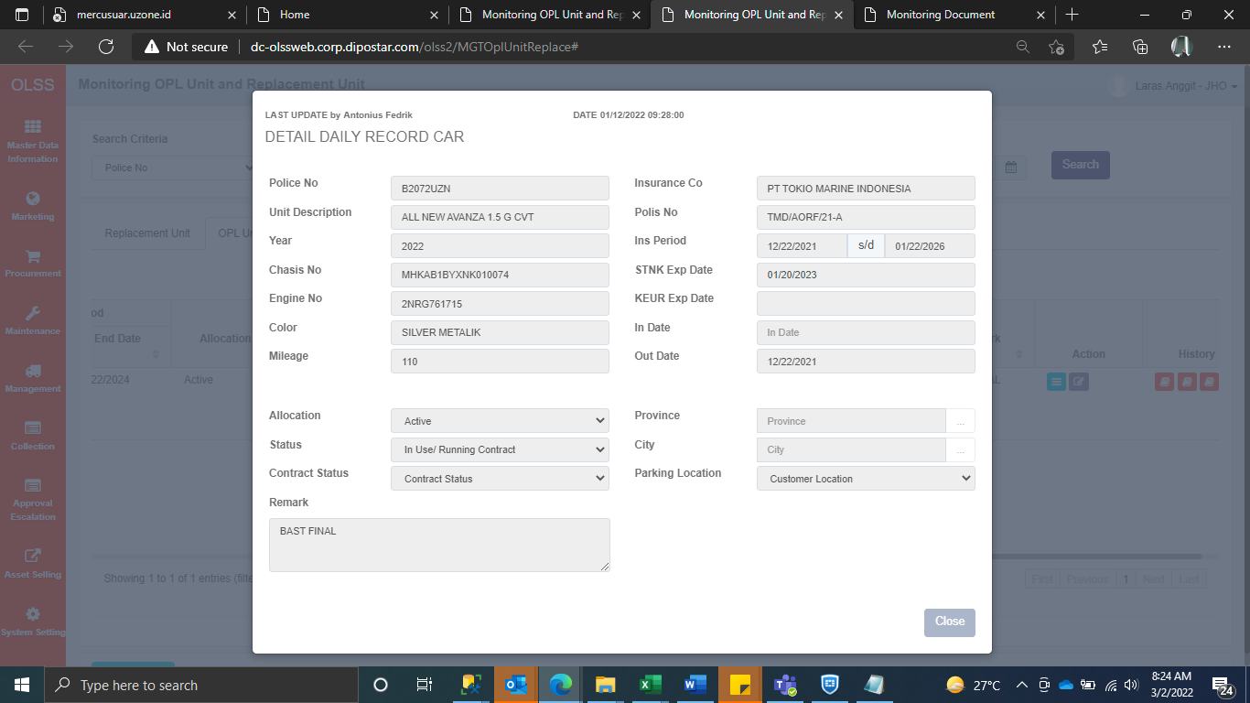
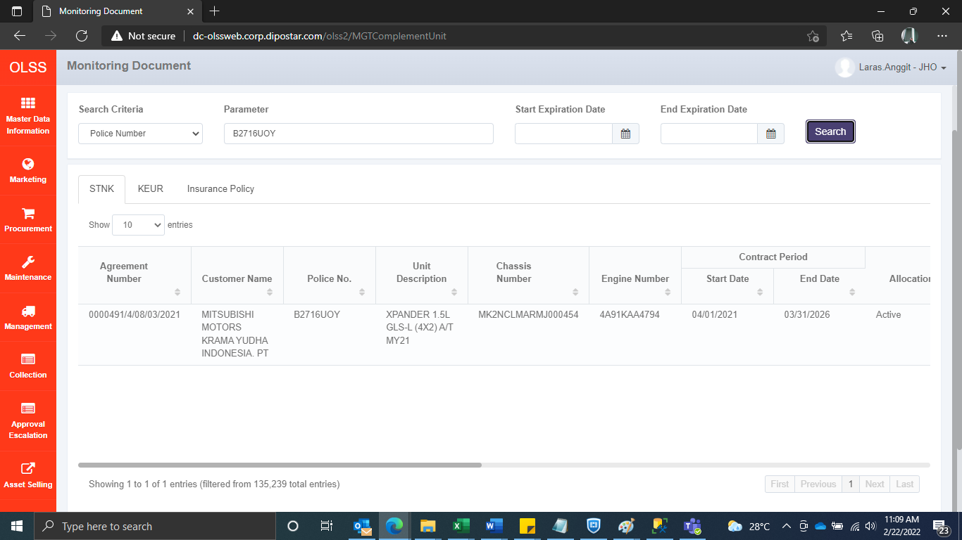
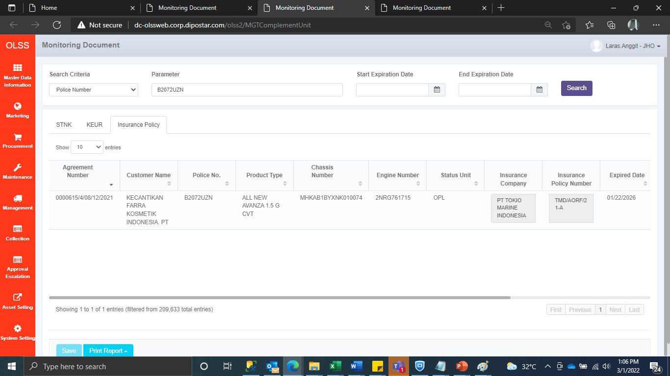
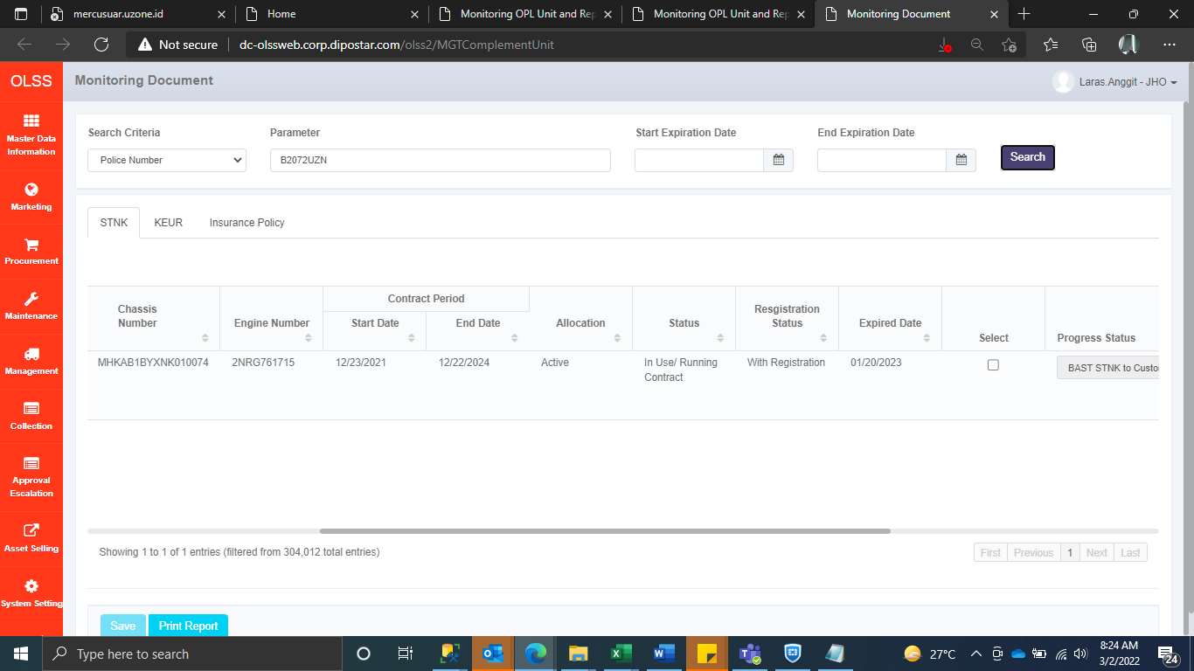
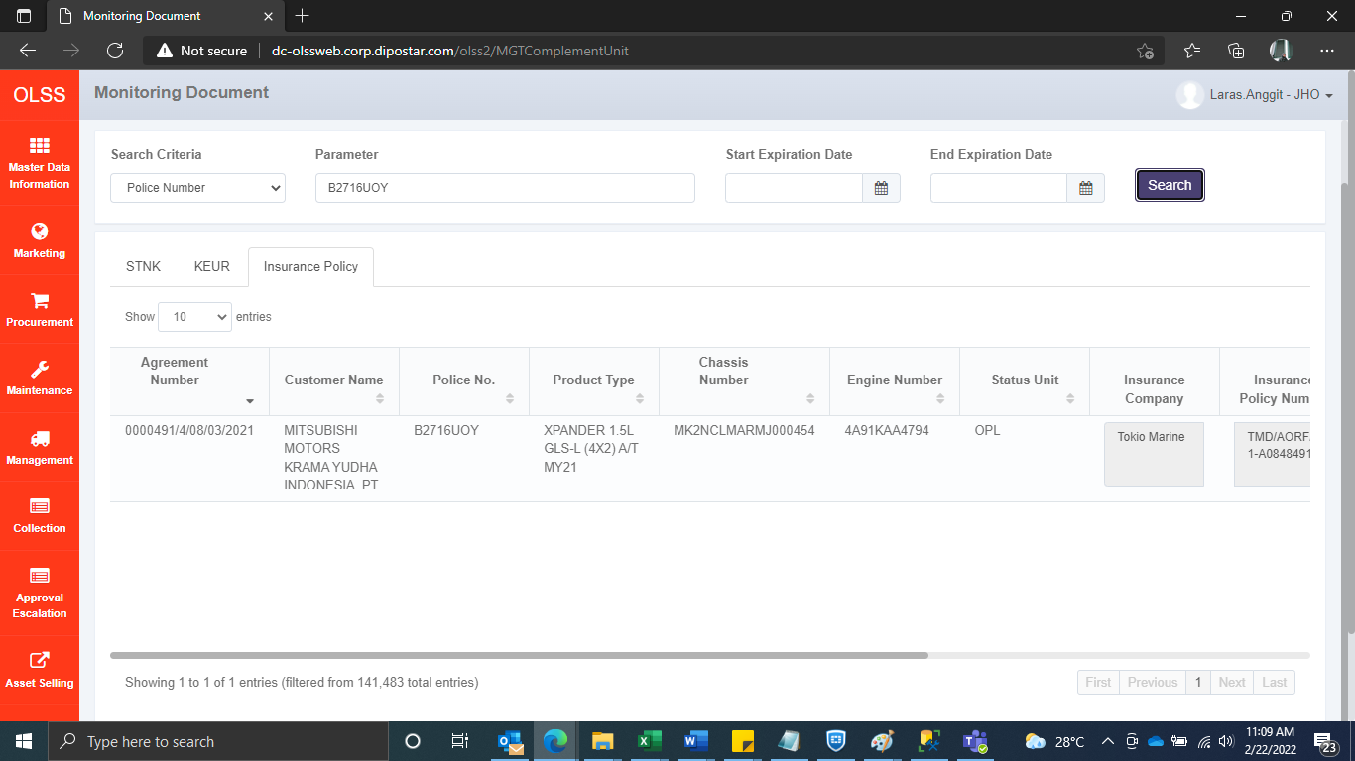
BEFORE | BEFORE




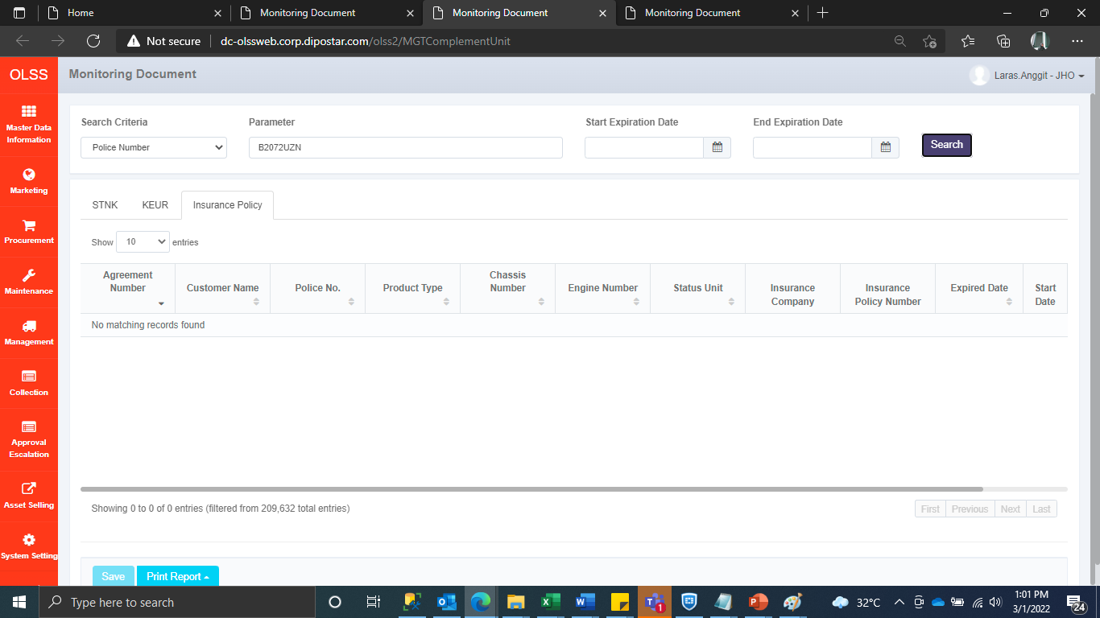



AFTER | AFTER

